Employee - SLA
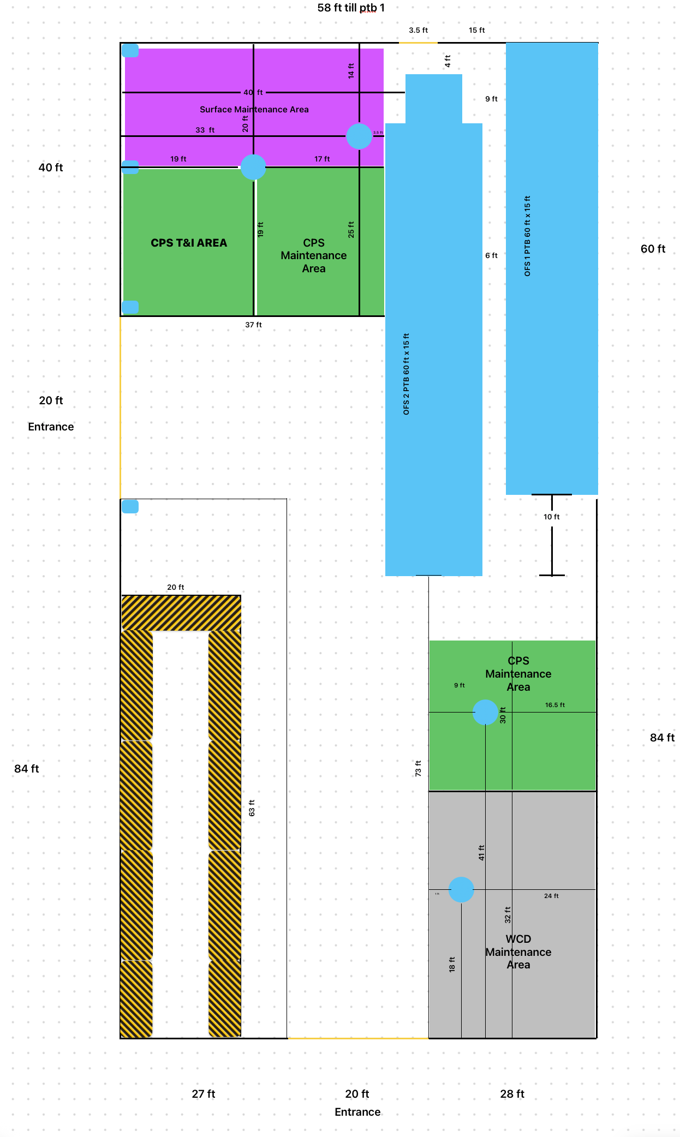
Employees | Task | Area
Aalvee Jain | Receive tools in the base | CPS T&I area
Antoni Boruah | Disassemble & Cleaning the tool | CPS Maintenance Area
Hadamant Singh | Torque Machine Area | Torque Area (yellow - black)
Jetha Ram | Redress and Repair | CPS Maintenance Area
Lakshmi Supraja | Inspection after Repair | CPS Maintenance Area
Madhu Sagar | Pressure test | OFS 1 PTB
Shyam Prasad Janardhanan | Pressure test | OFS 1 PTB
Veera Varma | Movement Arrangements | -
Venkatesh Paddula | Redress and Repair | CPS Maintenance Area
Abhishek Pawar | Paperwork | CPS T&I area

